Sheet1
 |  |  |  |  |  |  |  |  | SUM
 | Problem 1 |  |  |  |  |  |  |  |  | Using xls to check
 | 1.0 | 1.3 | 2.0 | 1.5 | 1.5 | 1.4 |  |  | 8.7 | Var | 0.062481632653
 | 1.6 | 1.8 | 1.6 | 1.5 | 1.4 | 1.3 |  |  | 9.2 | STDV | 0.24996326261
 | 1.3 | 1.1 | 1.2 | 1.2 | 1.2 | 1.2 |  |  | 7.2 | SE | 0.042251502984
 | 1.2 | 1.5 | 1.6 | 1.4 | 1.0 | 1.1 |  |  | 7.8
 | 1.9 | 1.7 | 1.6 | 1.7 | 1.7 | 1.4 |  |  | 10.0
 | 1.7 | 1.1 | 1.2 | 1.5 | 1.5 |  |  |  | 7.0
 |  |  |  |  |  |  |  |  | 49.9
 |  | X | u | (x-u)2
 |  | 1 | 1.4 | 0.2
 |  | 1 | 1.4 | 0.2
 |  | 1.1 | 1.4 | 0.1 |  | N | freq
 |  | 1.1 | 1.4 | 0.1 |  | 1 | 2
 |  | 1.1 | 1.4 | 0.1 |  | 1.1 | 3
 |  | 1.2 | 1.4 | 0.1 |  | 1.2 | 6
 |  | 1.2 | 1.4 | 0.1 |  | 1.3 | 3
 |  | 1.2 | 1.4 | 0.1 |  | 1.4 | 4
 |  | 1.2 | 1.4 | 0.1 |  | 1.5 | 6
 |  | 1.2 | 1.4 | 0.1 |  | 1.6 | 4
 |  | 1.2 | 1.4 | 0.1 |  | 1.7 | 4
 |  | 1.3 | 1.4 | 0.0 |  | 1.8 | 1
 |  | 1.3 | 1.4 | 0.0 |  | 1.9 | 1
 |  | 1.3 | 1.4 | 0.0 |  | 2
 |  | 1.4 | 1.4 | 0.0
 |  | 1.4 | 1.4 | 0.0 |  | Mode
 | Median | 1.4 | 1.4 | 0.0 |  | Mode = 1.2 and 1.5
 |  | 1.4 | 1.4 | 0.0 |  | this problem set is bimodal as it has two values that occur in equal frequency
 |  | 1.5 | 1.4 | 0.0
 |  | 1.5 | 1.4 | 0.0
 |  | 1.5 | 1.4 | 0.0
 |  | 1.5 | 1.4 | 0.0
 |  | 1.5 | 1.4 | 0.0
 |  | 1.5 | 1.4 | 0.0
 |  | 1.6 | 1.4 | 0.0
 |  | 1.6 | 1.4 | 0.0
 |  | 1.6 | 1.4 | 0.0
 |  | 1.6 | 1.4 | 0.0
 |  | 1.7 | 1.4 | 0.1
 |  | 1.7 | 1.4 | 0.1
 |  | 1.7 | 1.4 | 0.1
 |  | 1.7 | 1.4 | 0.1
 |  | 1.8 | 1.4 | 0.1
 |  | 1.9 | 1.4 | 0.2
 |  | 2 | 1.4 | 0.3
 | Sum | 49.9 | 49.9 | 2.1868571429

 | The median is 1.4 as it occurs in the middle of the data set
 | 1.4 + 1.4 / 2 = 1.4

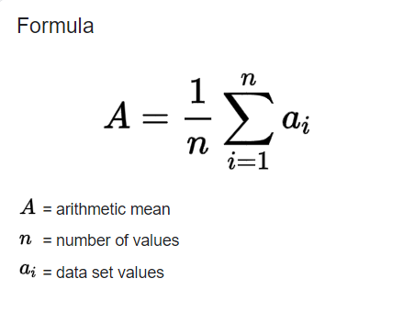

 | Arithmetic mean
 | Sum = | 49.9
 | Number = | 35.0
 | mean = | 1.4

 | Range = 2-1 = 1

 | Variance =

 | Population variance
 | sum of (x-u)2/N
 | 0.062481632653

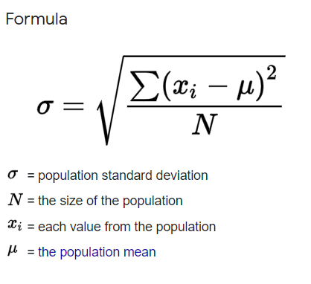

xls | Standard Deviation
1.4 | Step 1: Find the mean. |  |  |  |  |  |  | mean= 1.4
(see above) | Step 2: For each data point, find the square of its distance to the mean. |  |  |  |  |  |  | (see above)
2.1868571429 | Step 3: Sum the values from Step 2. |  |  |  |  |  |  | sum of (x-u)2= 2.187
0.062481632653 | Step 4: Divide by the number of data points. |  |  |  |  |  |  | above/35
0.24996326261 | Step 5: Take the square root. |  |  |  |  |  |  | square root of above

 | Standard Deviation = 0.25

xls | Standard Error
1.4 | Step 1: Find the mean.
(see above) | Step 2: For each data point, find the square of its distance to the mean.
2.1868571429 | Step 3: Sum the values from Step 2.
0.062481632653 | Step 4: Divide by the number of data points.
0.24996326261 | Step 5: Take the square root.
0.042251502984 | Step 7: Divide the standard deviation by the square root of the sample size (n).
1.357748497 | Step 8: Subtract the standard error from the mean and record that number
1.442251503 | Step 9: Add standard error to mean

 | SE of mean = 1.4 +/- 0.04
 | or SE is 1.36 to 1.44

